MSS (wo 5.4 GHz)
MSS | 16.5 | MHz bandwidth
 | Average eirp | 19 | dBm |  |  |  |  |  |  |  |  | Channel Bandwidth | 16.5 | 19.38 | 100
 |  |  | TOTAL number of RLAN in the 5 GHz range | 10000 |  | TOTAL |  |  |  |  | Nb of RLAN Overlapping |  | 1427 | 1427 | 1709
 | Bandwidth | 160 | 80 | 40 | 20 |  |  |  |  |  | Channelization Factor |  | 14.3% | 14.3% | 17.1%
 | Distribution (JTG) | 15% | 50% | 25% | 10% | 100%
 | Nb of RLAN with bandwidth | 1500 | 5000 | 2500 | 1000 | 10000 |  |  |  |  | Nb of AP in Europe |  | 4.00E+08 | 4.00E+08 | 4.00E+08
 | Nb of RLAN channels with bandwidth | 3 | 7 | 14 | 29 |  |  |  |  |  | Mean eirp (dBm) |  | 19 | 19 | 19
 | Nb of RLAN per channel | 500 | 714 | 179 | 34 |  |  |  |  |  | Busy Hour Population |  | 62.7% | 62.7% | 62.7%
TYPICAL CASE (see figure) |  |  |  |  |  |  |  |  |  |  | 5 GHz Factor |  | 74.0% | 74.0% | 74.0%
 | Typical MSS overlap (Nb of channels) | 1 | 1 | 1 | 1 |  |  |  |  |  | Bandwidth Factor |  | 6.76 | 6.06 | 0.39
 | Nb of RLAN overlapping | 500 | 714 | 179 | 34 | 1427 | Density |  |  |  | Activity Factor |  | 10.0% | 10.0% | 10.0%
 | bandwidth factor |  |  |  | Ratio of overlapping RLAN | 14.3% | 0.0038
Channel Nb | 1 | -9.87 | -6.86 | -3.85 | -0.84 |  |  |  |  |  | Inhabitants in Europe |  | 7.01E+08 | 7.01E+08 | 7.01E+08
 | 2
 | 3 |  |  |  |  |  |  |  |  |  | RLAN Density (MSS Feeder) |  | 3.78E-03 | 3.78E-03 | 4.53E-03
 | 4
 | 5 |  |  |  |  |  |  |  |  | Ratio EURO RLANs EURO Inhabitants |  |  | 0.57142857143 | 0.57142857143 | 0.57142857143
 | 6
 | Average | -9.87 | -6.86 | -3.85 | -0.84 |  |  |  |  |  | Composite Factor |  | 0.0265 | 0.0265 | 0.0265
 | Total eirp | 36.1 | 40.7 | 37.7 | 33.5 | 43.8
 |  |  |  |  | Average eirp per RLAN in 16.5 MHz | 12.24 |  | 16.8 | mW
 |  |  |  |  | BW factor | 6.76 |  | 1.02 | mW/MHz

MSS | 19.38 | MHz band | width
Average eirp |  | 19 | dBm
 |  |  | TOTAL number of RLAN in the 5 GHz Range | 10000 |  | TOTAL
 | Bandwidth | 160 | 80 | 40 | 20
 | Distribution (JTG) | 15.00% | 50.00% | 25.00% | 10.00% | 100.00%
 | Nb of RLAN with bandwidth | 1500 | 5000 | 2500 | 1000 | 10000.00
 | Nb of RLAN channels with bandwidth | 3 | 7 | 14 | 29
 | Nb of RLAN per channel | 500 | 714 | 179 | 34
TYPICAL CASE
 | Typical MSS overlap (Nbof Channels) | 1 | 1 | 1 | 1
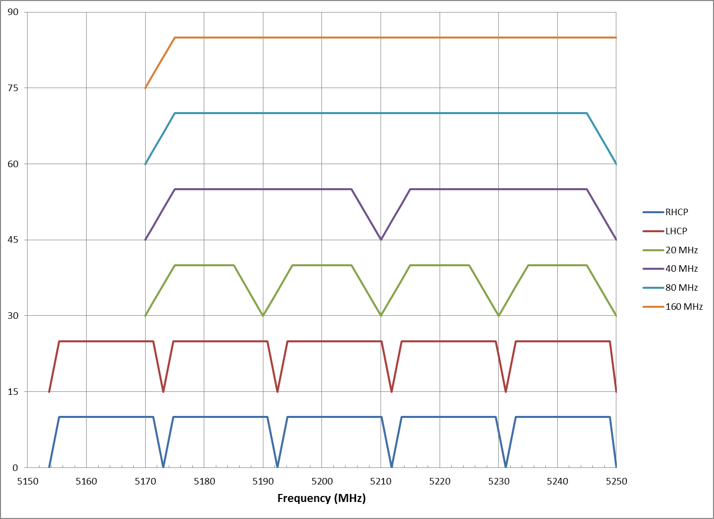
 | Nb of RLAN overlapping | 500 | 714 | 179 | 34 | 1427 | Density
 | bandwidth factor |  | Ratio of overlapping RLAN |  |  | 14% | 0.0038
Channel Nb | 1 | -9.17 | -6.16 | -3.15 | -0.14
 | 2
 | 3
 | 4
 | 5
 | Average | -9.17 | -6.16 | -3.15 | -0.14
 | Total eirp | 36.8 | 41.4 | 38.4 | 34.2 | 44.48 | dBm
 |  |  |  |  | Average eirp per RLAN in 19.38 MHz | 12.94 | dBm | 19.67 | mW
 |  |  |  |  | BW Factor | 6.06 |  | 1.02 | mW/MHz

MSS | 100 | MHz bandwidth
 | Average eirp | 19 | dBm
 |  |  | TOTAL number of RLAN in the 5 GHz range | 10000 |  | TOTAL
 | Bandwidth | 160 | 80 | 40 | 20
 | Distribution (JTG) | 15% | 50% | 25% | 10% | 100%
 | Nb of RLAN with bandwidth | 1500 | 5000 | 2500 | 1000 | 10000
 | Nb of RLAN channels with bandwidth | 3 | 7 | 14 | 29
 | Nb of RLAN per channel | 500 | 714 | 179 | 34
TYPICAL CASE (see figure)
 | Typical MSS overlap (Nb of channels) | 1 | 1 | 2 | 4
 | Nb of RLAN overlapping | 500 | 714 | 357 | 138 | 1709 | Density
 | bandwidth factor |  |  |  | Ratio of overlapping RLAN | 17.1% | 0.0045
Channel Nb | 1 | -9.87 | -2.04 | -6.02 | -3.01
 | 2 |  | -2.04 | 0.00 | 0.00
 | 3 |  |  | 0.00 | 0.00
 | 4 |  |  | -6.02 | 0.00
 | 5 |  |  |  | 0.00
 | 6 |  |  |  | -3.01
 | Average BW factor | -9.87 | 0.97 | 0.97 | 0.97
 | Total eirp | 36.1 | 48.5 | 45.5 | 41.4 | 50.9
 |  |  |  |  | Average eirp per RLAN in 100 MHz | 18.61 |  | 72.6 | mW
 |  |  |  |  | BW factor | 0.39 |  | 0.73 | mW/MHz

Ratio of EURO RLANS to | EURO inhabitants |  | 0.57142857143

